GMF 2019 dataset
“What is the city but the people?”
William Shakespeare.

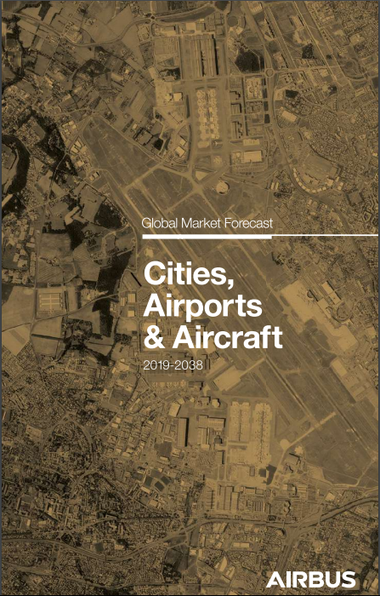
Cities, airports & aircraft

Welcome to the 2019 edition of Airbus’ Global Market Forecast (GMF). This year we explore the relationship between the World’s cities, their airports and the types of aircraft, in terms of size and range, which are supporting them.

In the past we have explored the importance of Aviation Mega-Cites (AMCs), particularly for larger aircraft, but this is just a part of the story. In 2018, there were 66 cities that we classify as AMCs, they account for 40% of all passengers, up from 29% in 2002, but well over 70% of long-haul passengers and 35% of the short-haul. Many of these cities have developed a need for more than one airport, some with as many as three or four today. More than 600 airlines or nearly 80% of the world’s airlines operate to AMC airports. A growing share of passengers are also flying with LCCs from or to these airports, nearly a quarter of AMC passengers today, from just 8% in 2002. Over this time average aircraft size has grown from ~155 seats in 2002, to ~175 today, as passenger numbers and for some, operational constraints increase.

But as Shakespeare wrote “What is the city but the people?” About a quarter of the World’s urban population live in AMCs, and are a focus for more than a quarter of global GDP. Given both are important drivers for aviation growth it is unsurprising that these cities are key points in the global aviation network by the end of our forecast period in 2038, we expect there to be some 95 aviation mega-cities, with cities like Lagos, Muscat, Rio de Janeiro and Philadelphia being added to the growing list of AMCs.

Air transport will continue to play a key role in connecting cities and their people particularly in emerging markets or where cost or simply geography make alternatives impossible. In doing this commercial aviation contributes 3.6% of global GDP and supports more than 65 million jobs. However, we recognise that aviation also contributes 2% to 3% of the world’s manmade emissions of carbon dioxide (CO²), with transportation as a whole (cars, trains, shipping etc.) producing ~24%, according to the United Nations Intergovernmental Panel on Climate Change (IPCC). So our industry has worked diligently to limit its impact on the environment. For example aircraft today, are 75% quieter and 80% more fuel efficient per seat than they were when jets were becoming a more common sight in cities around the world. But this is by no means the end of these efforts.

Airbus is conscious of climate change and its responsibility to society as well as future generations. We have the ambition to continue serving society’s demand for air travel and transport and to continue delivering significant social benefits whilst ensuring a sustainable future of air travel.

We hope that you find the 2019 Global Market Forecast informative and useful. We seek to improve our analyses continually, and your questions, challenges and suggestions help us advance towards this goal. Don’t forget you can access tailored GMF2019 content your phone or computer, including interactive material, and the forecast results in Excel format using this link: http://gmf.airbus.com/ or simply scan the QR code on the back cover.

Every year we produce the GMF we provide various tools to access the data and knowledge produced by the Airbus forecasting team. These typically include books, an app and various presentations. This year, for the analysts amongst you we have provided some of the key data in this excel spreadsheet, so that you can have even more flexibility in the way you use and visualise our forecast.

